Grid Battery Storage
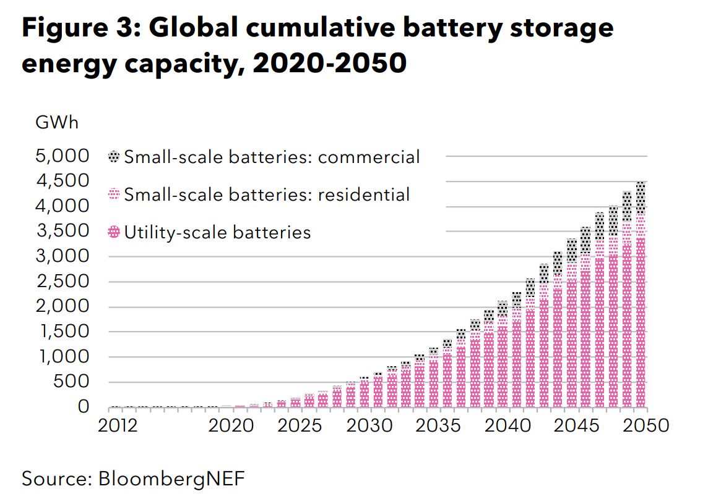
*Online piexel ruler used to read BENF figure.
Pixels per 500 GWh | 42

 | 2020 | 2025 | 2030 | 2035 | 2040 | 2045 | 2050
Number of pixels | 2 | 13 | 48 | 96 | 170 | 270 | 365
MWh storage | 23809.52381 | 154761.90476 | 571428.57143 | 1142857.1429 | 2023809.5238 | 3214285.7143 | 4345238.0952

Interpolated | 2019 | 2020 | 2021 | 2022 | 2023 | 2024 | 2025 | 2026 | 2027 | 2028 | 2029 | 2030 | 2031 | 2032 | 2033 | 2034 | 2035 | 2036 | 2037 | 2038 | 2039 | 2040 | 2041 | 2042 | 2043 | 2044 | 2045 | 2046 | 2047 | 2048 | 2049 | 2050

EV Batteries
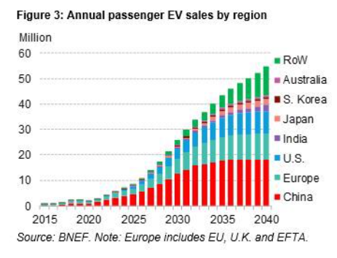
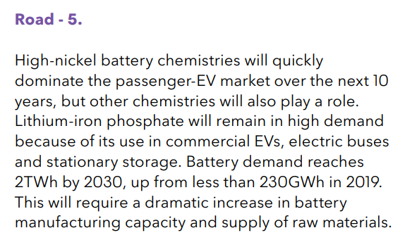
The table below is from BNEF's Long-Term Electric Vehicle Outlook 2020. This full report is behind a paywall, but the Executive Summary is available for download. BNEF only has data on the annual demand for Li-ion batteries for EVs, not the cumulative stock of EV battery storage. But, this data can be used to estimate the stock of EV battery storage in place (i.e., you could model EV retirements and stock changes from this data). It is important to note that BNEF has one of the most aggressive EV forecasts right now, and therefore their estimates of EV battery demand are also likely to be on the higher end of the spectrum.

BNEF Data
BNEF - Long-Term Electric Vehicle Outlook 2017 | 2019 | 2020 | 2021 | 2022 | 2023 | 2024 | 2025 | 2026 | 2027 | 2028 | 2029 | 2030 | 2031 | 2032 | 2033 | 2034 | 2035 | 2036 | 2037 | 2038 | 2039 | 2040 | 2041 | 2042 | 2043 | 2044 | 2045 | 2046 | 2047 | 2048 | 2049 | 2050
Global EV Li-Ion Battery Demand (GWh) | 230 | 351.47 | 403.53 | 498.97 | 603.09 | 715.88 | 820.00 | 950.15 | 1,175.74 | 1,418.68 | 1,687.65 | 2,000
New EV Sales (Number of Vehicles) | 2,375,000 | 1,750,000 | 2,500,000 | 3,875,000 | 5,375,000 | 7,000,000 | 8,500,000 | 10,375,000 | 13,625,000 | 17,125,000 | 21,000,000 | 25,500,000 | 29,250,000 | 33,375,000 | 36,625,000 | 39,750,000 | 42,625,000 | 45,250,000 | 47,375,000 | 49,375,000 | 51,625,000 | 54,125,000
New EV Sales, Extrapolated (Number of Vehicles)

 |  |  |  | 2019 | 2020 | 2021 | 2022 | 2023 | 2024 | 2025 | 2026 | 2027 | 2028 | 2029 | 2030 | 2031 | 2032 | 2033 | 2034 | 2035 | 2036 | 2037 | 2038 | 2039 | 2040
 |  |  | Number of pixels | 19 | 14 | 20 | 31 | 43 | 56 | 68 | 83 | 109 | 137 | 168 | 204 | 234 | 267 | 293 | 318 | 341 | 362 | 379 | 395 | 413 | 433

 |  |  | Pixels per 10 million | 80

EV Sigmoid Fitting
Sigmoid Fitting |  |  | x | y | ycalc
min | 104988.75275 | <- named cell "min" | 2019 | 230,000 | 278783.70203 | Procedure
max | 4569491.3135 | <- named cell "max" | 2020 | 351,471 | 328267.45651 | (1) Paste data into the x and y column.
ec50 | 2031.2311616 | <- named cell "ec_50" | 2021 | 403,529 | 390901.62655 | (2) Enter the initial values into the min/max/n/ec50 parameters.
k | 0.26214442251 |  | 2022 | 498,971 | 469595.48319 | (3) Start Excel Solver (Tools > Solver)
 |  |  | 2023 | 603,088 | 567551.15075 | (4) Set "Target cell" to "B7" (Sum of squared residuals).
SSR | 29259652454 |  | 2024 | 715,882 | 688080.8828 | (5) Set "equall to" section to "Value of 0".
 |  |  | 2025 | 820,000 | 834293.57521 | (6) Add constraints like EC50>0 by clicking "Add". Add other constraints if necessary.
 |  |  | 2026 | 950,147 | 1008633.944 | (7) Click "Solve" to perform fitting.
FUN | min+(max-min)/(1+10^(n*(log10(x)-log10(ec_50)))) |  | 2027 | 1,175,735 | 1212295.4354 | (8) Close the solver window and check the graph to see if the calculated curve fitted well.
 |  |  | 2028 | 1,418,676 | 1444589.7392
 |  |  | 2029 | 1,687,647 | 1702427.8234 | See the following reference for details.
 |  |  | 2030 | 2,000,000 | 1980113.8134 | Kemmer G. nd Keller S. (2010) Nonlinear least-squares data fitting in Excel spreadsheets. Nat. Protocols 5, 267–281.
 |  |  | 2031 | 2,294,118 | 2269626.0525
 |  |  | 2032 | 2,617,647 | 2561433.0746
 | y | ycalc
2019 | 2375000 | 1389132.1641
2020 | 1750000 | 2021843.2719
2021 | 2500000 | 2835096.8553
2022 | 3875000 | 3872186.6406
2023 | 5375000 | 5181480.7303
2024 | 7000000 | 6813588.8256
2025 | 8500000 | 8816233.2841
2026 | 10375000 | 11226473.259
2027 | 13625000 | 14060660.845
2028 | 17125000 | 17303745.69
2029 | 21000000 | 20900972.173
2030 | 25500000 | 24755807.045
2031 | 29250000 | 28737059.3
2032 | 33375000 | 32695224.467
2033 | 36625000 | 36484206.532
2034 | 39750000 | 39982014.338
2035 | 42625000 | 43104531.091
2036 | 45250000 | 45809663.602
2037 | 47375000 | 48092978.656
2038 | 49375000 | 49978278.595
2039 | 51625000 | 51506844.679
2040 | 54125000 | 52727977.782
2041 |  | 53692031.914
2042 |  | 54446041.035
2043 |  | 55031465.128
2044 |  | 55483417.472
2045 |  | 55830797.703
2046 |  | 56096900.263
2047 |  | 56300214.433
2048 |  | 56455248.151
2049 |  | 56573288.008
2050 |  | 56663058.092
 | y | ycalc
2019 | 2375000 | 1389132.1641
2020 | 1750000 | 2021843.2719
2021 | 2500000 | 2835096.8553
2022 | 3875000 | 3872186.6406
2023 | 5375000 | 5181480.7303
2024 | 7000000 | 6813588.8256
2025 | 8500000 | 8816233.2841
2026 | 10375000 | 11226473.259
2027 | 13625000 | 14060660.845
2028 | 17125000 | 17303745.69
2029 | 21000000 | 20900972.173
2030 | 25500000 | 24755807.045
2031 | 29250000 | 28737059.3
2032 | 33375000 | 32695224.467
2033 | 36625000 | 36484206.532
2034 | 39750000 | 39982014.338
2035 | 42625000 | 43104531.091
2036 | 45250000 | 45809663.602
2037 | 47375000 | 48092978.656
2038 | 49375000 | 49978278.595
2039 | 51625000 | 51506844.679
2040 | 54125000 | 52727977.782
2041 |  | 53692031.914
2042 |  | 54446041.035
2043 |  | 55031465.128
2044 |  | 55483417.472
2045 |  | 55830797.703
2046 |  | 56096900.263
2047 |  | 56300214.433
2048 |  | 56455248.151
2049 |  | 56573288.008
2050 |  | 56663058.092
 |  |  | 2033 | 2,872,549 | 2845699.7624
 |  |  | 2034 | 3,117,647 | 3113575.721
 |  |  | 2035 | 3,343,137 | 3358221.5159
 |  |  | 2036 | 3,549,020 | 3575342.1035
 |  |  | 2037 | 3,715,686 | 3763189.6578
 |  |  | 2038 | 3,872,549 | 3922163.6312
 |  |  | 2039 | 4,049,020 | 4054208.6166
 |  |  | 2040 | 4,245,098 | 4162192.4631
 |  |  | 2041 |  | 4249381.2189
 |  |  | 2042 |  | 4319057.8987
 |  |  | 2043 |  | 4374282.7762
 |  |  | 2044 |  | 4417768.0756
 |  |  | 2045 |  | 4451833.4089
 |  |  | 2046 |  | 4478411.8204
 |  |  | 2047 |  | 4499083.5324
 |  |  | 2048 |  | 4515121.8487
 |  |  | 2049 |  | 4527541.6462
 |  |  | 2050 |  | 4537145.1568

Calculations
For grid batteries, we will use BNEF NEO numbers and curve fit to extrapolate
for years 2014-2050. We assume no grid batteries retire during the model
run, so installed capacity equals cumulative capacity.

 | 2019 | 2020 | 2021 | 2022 | 2023 | 2024 | 2025 | 2026 | 2027 | 2028 | 2029 | 2030 | 2031 | 2032 | 2033 | 2034 | 2035 | 2036 | 2037 | 2038 | 2039 | 2040 | 2041 | 2042 | 2043 | 2044 | 2045 | 2046 | 2047 | 2048 | 2049 | 2050 | 2051 | 2052 | 2053 | 2054 | 2055 | 2056 | 2057 | 2058 | 2059 | 2060
Grid battery capacity (MWh) | 23809.52381 | 23809.52381 | 50000 | 76190.47619 | 102380.95238 | 128571.42857 | 154761.90476 | 238095.2381 | 321428.57143 | 404761.90476 | 488095.2381 | 571428.57143 | 685714.28571 | 800000 | 914285.71429 | 1028571.4286 | 1142857.1429 | 1319047.619 | 1495238.0952 | 1671428.5714 | 1847619.0476 | 2023809.5238 | 2261904.7619 | 2500000 | 2738095.2381 | 2976190.4762 | 3214285.7143 | 3440476.1905 | 3666666.6667 | 3892857.1429 | 4119047.619 | 4345238.0952 | 4590909 | 4823052 | 5055195 | 5287338 | 5519481 | 5751623 | 5983766 | 6215909 | 6448052 | 6680195

For Evs, we use Bloomberg New Energy Finance's numbers. This assumes an aggressive rate of EV deployment,
which matches usual EPS model behavior in the United States and other EPS regions we've tested.

 | 2019 | 2020 | 2021 | 2022 | 2023 | 2024 | 2025 | 2026 | 2027 | 2028 | 2029 | 2030 | 2031 | 2032 | 2033 | 2034 | 2035 | 2036 | 2037 | 2038 | 2039 | 2040 | 2041 | 2042 | 2043 | 2044 | 2045 | 2046 | 2047 | 2048 | 2049 | 2050 | 2051 | 2052 | 2053 | 2054 | 2055 | 2056 | 2057 | 2058 | 2059 | 2060
EV battery new sales (MWh) | 230000 | 351470.58824 | 403529.41176 | 498970.58824 | 603088.23529 | 715882.35294 | 820000 | 950147.05882 | 1175735.2941 | 1418676.4706 | 1687647.0588 | 2000000
EV battery new sales, extrapolated 2031-2040 (GWh) |  |  |  |  |  |  |  |  |  |  |  |  | 2294117.6471 | 2617647.0588 | 2872549.0196 | 3117647.0588 | 3343137.2549 | 3549019.6078 | 3715686.2745 | 3872549.0196 | 4049019.6078 | 4245098.0392
EV battery new sales, extrapolated 2041-2050 (GWh) |  |  |  |  |  |  |  |  |  |  |  |  |  |  |  |  |  |  |  |  |  |  | 4249381.2189 | 4319057.8987 | 4374282.7762 | 4417768.0756 | 4451833.4089 | 4478411.8204 | 4499083.5324 | 4515121.8487 | 4527541.6462 | 4537145.1568 | 4537145.1568 | 4537145.1568 | 4537145.1568 | 4537145.1568 | 4537145.1568 | 4537145.1568 | 4537145.1568 | 4537145.1568 | 4537145.1568 | 4537145.1568

 | 2018 | 2019 | 2020 | 2021 | 2022 | 2023 | 2024 | 2025 | 2026 | 2027 | 2028 | 2029 | 2030 | 2031 | 2032 | 2033 | 2034 | 2035 | 2036 | 2037 | 2038 | 2039 | 2040 | 2041 | 2042 | 2043 | 2044 | 2045 | 2046 | 2047 | 2048 | 2049 | 2050 | 2051 | 2052 | 2053 | 2054 | 2055 | 2056 | 2057 | 2058 | 2059 | 2060
EV battery cap, cumulative (MWh) |  | 230000 | 581470.58824 | 985000 | 1483970.5882 | 2087058.8235 | 2802941.1765 | 3622941.1765 | 4573088.2353 | 5748823.5294 | 7167500 | 8855147.0588 | 10855147.059 | 13149264.706 | 15766911.765 | 18639460.784 | 21757107.843 | 25100245.098 | 28649264.706 | 32364950.98 | 36237500 | 40286519.608 | 44531617.647 | 48780998.866 | 53100056.765 | 57474339.541 | 61892107.617 | 66343941.025 | 70822352.846 | 75321436.378 | 79836558.227 | 84364099.873 | 8.89E+07 | 9.34E+07 | 9.80E+07 | 1.03E+08 | 1.07E+08 | 1.12E+08 | 1.16E+08 | 1.21E+08 | 1.25E+08 | 1.30E+08 | 1.34E+08
Sum-of-series multiplier for years prior to 2019 | 2500

EV Battery Sales (NOT Cumulative)
 | EV battery new sales (MWh) | EV battery new sales, extrapolated 2031-2040 (GWh) | EV battery new sales, extrapolated 2041-2050 (GWh)
2019 | 230000
2020 | 351470.58824
2021 | 403529.41176
2022 | 498970.58824
2023 | 603088.23529
2024 | 715882.35294
2025 | 820000
2026 | 950147.05882
2027 | 1175735.2941
2028 | 1418676.4706
2029 | 1687647.0588
2030 | 2000000
2031 |  | 2294117.6471
2032 |  | 2617647.0588
2033 |  | 2872549.0196
2034 |  | 3117647.0588
2035 |  | 3343137.2549
2036 |  | 3549019.6078
2037 |  | 3715686.2745
2038 |  | 3872549.0196
2039 |  | 4049019.6078
2040 |  | 4245098.0392
2041 |  |  | 4249381.2189
2042 |  |  | 4319057.8987
2043 |  |  | 4374282.7762
2044 |  |  | 4417768.0756
2045 |  |  | 4451833.4089
2046 |  |  | 4478411.8204
2047 |  |  | 4499083.5324
2048 |  |  | 4515121.8487
2049 |  |  | 4527541.6462
2050 |  |  | 4537145.1568
 |  |  | 4537145.1568
 |  |  | 4537145.1568
 |  |  | 4537145.1568
 |  |  | 4537145.1568

